Sheet1
해외 메신저 프로그램 랭킹 순위 |  | 2011년 자료. 116명 대상 투표결과(http://www.rankopedia.com/Best-Instant-Messaging-Software/Step1/3031/.htm) 위키 자료http://en.wikipedia.org/wiki/Comparison_of_instant_messaging_clients
순위 | 서비스 이름 | 특징 및 강점 | 데스크탑 or 모바일 | 서비스 시작 | 구글 검색수
1 | Windows Live Messenger | Many New Features, Looks Security Updates | M/D | 1999-07-01 | 20억
2 | Yahoo! | 2 GB File Transfers Security Updates Super Webcam, New Looks, Add Ons | M/D | 1999-06-21 | 2억 5천만
3 | AIM (AOL Instant Messenger) | New Features Security Updates New Looks also included | M/D | 1997-05-01 | 1억6천만
4 | Skype | Well interfaced with VOIP | M/D | 2003년 | 8억 7천만
5 | Google Talk | Quickly go from text to voice chat, chat from desktop or email | M/D | 2005-08-01 | 8천만
6 | Myspace IM with Skype | Zaps(combination of a sound bite, picture, and/or words) | D | 2006-05-01 | 22억
7 | ICQ | Cool, sleek interface | M/D | 1996-11-01 | 8억 3천만
8 | RadiusIM | 자신이 입력한 지역의 사용자간에 채팅이 가능한 (Location Based Chat) | D
9 | Pidgin | Multiple OS & Protocol Support | D | 1998-11-01 | 3백만
10 | Ebuddy | 메신저 연동 어플 | M | 2003-03-09 | 1천 6백만

 | 순위에는 없지만 주목할만한 IM 모음
 | Meebo | it works by using other IM services (such as the ones listed above) to allow you to connect to all of your IM clients from one location. | M | 2005년
 | Facebook Chat | Facebook Chat is unique in that it's very minimal, but works extremely efficiently, all within a small space in the bottom corner of your Facebook page. | M/D | 2010년
 | iChat | Microsoft has Windows Live Messenger, Apple has iChat. Although iChat was mainly designed to be a video chat program, it can also be used to instant messaging. | D(MAC) | 2002-08-01
 | Digsby | Digsby is a desktop instant messenger client similar to Meebo. It works by allowing you to connect your existing IM networks such as AIM, Gtalk / IM + Email + Social Networks | D | 2007년
 | TRILLIAN | 멀티 프로토콜 인스턴트 메시징 프로그램 | M/D | 2000-07-01
 | ADIUM | 맥용 통합 메신져 | D(MAC 전용)

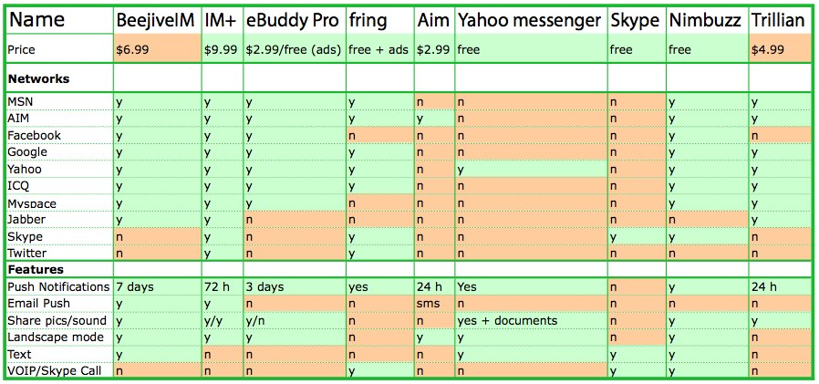
 | Instant Messaging Apps Comparison Chart(http://appadvice.com/appnn/2010/01/instant-messaging-apps-comparison-chart)

 | Instant Messenger Comparison
 | http://empoweringminds.spd.dcu.ie/documents/serve-version?id=10

